Ark1
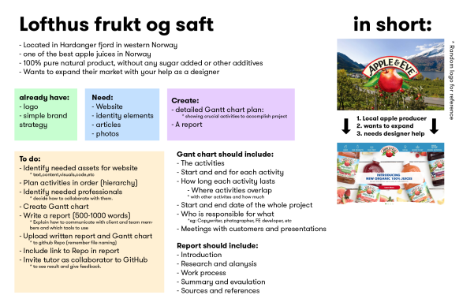 Lofthus frukt og saft | WEEK 1: PLANNING |  |  |  |  | WEEK 2: DESIGN |  |  |  |  | WEEK 3: BUILD |  |  |  |  | WEEK 4: FINISH/LAUNCH

 | Mon 26 Nov | Tue 27 Nov | Wed 28 Nov | Thu 29 Nov | Fri 20 Nov | Mon 3 Dec | Tue 4 Dec | Wed 5 Dec | Thu 6 Dec | Fri 7 Dec | Mon 10 Dec | Tue 11 Dec | Wed 12 Dec | Thu 13 Dec | Fri 14 Dec | Mon 17 Dec | Tue 18 Dec | Wed 19 Dec | Thu 20 Dec | Fri 21 Dec

PROJECT MANAGER | PROJECT MANAGEMENT, CUSTOMER CONTACT, PROPOSAL AND CONTRACT |  |  |  |  | PROJECT MANAGEMENT, CUSTOMER CONTACT |  |  |  |  | PROJECT MANAGEMENT, CUSTOMER CONTACT |  |  |  |  | PROJECT MANAGEMENT, CUSTOMER CONTACT

PROJECT MANAGER CONTENT DEVELOPER | PROJECT START INITIAL MEETING

PROJECT MANAGER CONTENT DEVELOPER DESIGNER | IDENTIFYING GOALS NEEDS ASSESSMENT PROJECT PLANNING

CONTENT DEVELOPER DESIGNER |  | RESEARCH

PROJECT MANAGER CONTENT DEVELOPER DESIGNER |  |  | STRATEGIC PLANNING

CONTENT DEVELOPER |  |  |  | CONTENT PLANNING

CONTENT DEVELOPER DESIGNER DEVELOPER |  |  |  |  | SITE OUTLINE | SITE STRUCTURE

DESIGNER |  |  |  |  |  |  |  | MOODBORD, STYLE TILES |  |  | WIREFRAMES

CONTENT DEVELOPER COPYWRITER |  |  |  |  |  |  |  | TEXT CONTENT DEVELOPMENT

PHOTOGRAPH |  |  |  |  |  |  |  | PHOTOSHOTING (PORTIFOLIO IMAGES) |  |  | PHOTOSHOTING (EMPLOYEE IMAGES)

CONTENT DEVELOPER DESIGNER |  |  |  |  |  |  |  |  |  |  |  | UX/UI PLANNING AND TESTING |  |  |  | UX/UI TESTING

DEVELOPER |  |  |  |  |  |  |  |  |  |  | CODING, INTEGRATION AND SITE BUILD

DEVELOPER |  |  |  |  |  |  |  |  |  |  |  |  |  |  |  |  | CROSS PLATFORM AND BROWSER TESTING

DEVELOPER |  |  |  |  |  |  |  |  |  |  |  |  |  |  |  |  |  | VALIDATING

CONTEND DEVELOPER DESIGNER DEVELOPER |  |  |  |  |  |  |  |  |  |  |  |  |  |  |  |  |  |  | REFINEMENT

PROJECT MANAGER CONTEND DEVELOPER DESIGNER DEVELOPER |  |  |  |  |  |  |  |  |  |  |  |  |  |  |  |  |  |  |  | LAUNCH

